Cover


A selection of exercises, consisting of Increasingly Difficult Questions written by Mr. Taylor @taylorda01

Area of 2D Shapes
Go Back | cm | Area of 2D Shapes
 | mm
 | m

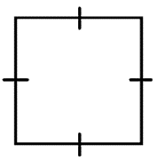
 |  | a) |  |  |  |  | units |  | b) | 5 | 4 |  | m | c) | 6 | mm
 |  |  |  |  |  |  |  |  |  |  |  | 5m
 |  |  | 0 |  | 1 | 1

 |  |  | 1 |  | 1 | 1 |  | 4m |  |  |  |  |  |  | 6mm

 |  |  | 1 |  | 0 | 1

 |  | d) | 8 | 13 |  |  | mm |  | e) | 4 | 12 |  | m | f) |  | cm
 |  |  |  |  | 8mm
 |  |  |  |  |  |  |  |  | 4m

 |  | 13mm

 |  |  |  |  |  |  |  |  |  |  |  | 12m

 |  | g) |  |  |  |  | m |  | h) |  |  |  | m | i) |  | cm

 |  | j) |  |  |  |  | m |  | k) |  |  |  | m | l) |  | m

 |  | Area of 2D Shapes Answer Key

 |  | a) |  |  |  |  |  |  | b) |  |  |  |  | c)
 |  | 7 units² |  |  |  |  |  |  | 20 m² |  |  |  |  | 36 mm²

 |  | d) |  |  |  |  |  |  | e) |  |  |  |  | f)
 |  | 104 mm² |  |  |  |  |  |  | 24 m²

 |  | g) |  |  |  |  |  |  | h) |  |  |  |  | i)

 |  | j) |  |  |  |  |  |  | k) |  |  |  |  | l)

Drawing Pie Charts
Go Back |  |  | Drawing Pie Charts |  |  |  |  |  |  |  | Drawing Pie Charts

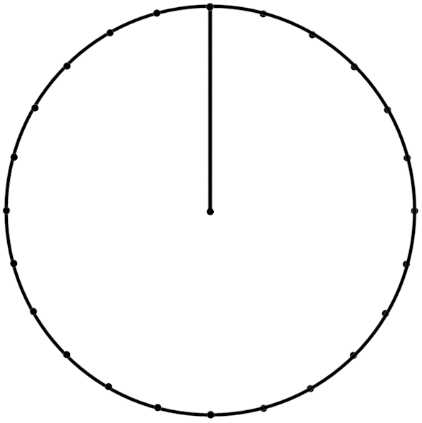
 | a) | 2 | 4 | 6 | 12 |  |  |  | d) | 90 | 18 | 18 | 4 | 50 |  | 4
 | Andy asked his friends their favourite Teenage Mutant Ninja Turtle. 2 said Michelangelo, 4 said Donatello, 6 said Leonardo and 12 said Raphael. Show this in the pie chart. |  |  |  |  |  |  |  | The height of 90 plants are measured. Here are the results:

 |  |  |  |  |  |  |  |  |  |  |  |  | Frequency |  | Angle

 |  |  |  |  |  |  |  |  | 0 - 2cm |  |  |  | 18

 |  |  |  |  |  |  |  |  | 3 - 5cm |  |  |  | 18

 |  |  |  |  |  |  |  |  | 6 - 8cm |  |  |  | 4

 |  |  |  |  |  |  |  |  | 9cm + |  |  |  | 50

 | b) | 36 | 9 | 16 | 5 | 6 |  |  | e) | 1440 | 352 | 796 | 292 |  |  | 4
 | There are 36 students enrolled in an after school club. |  |  |  |  |  |  |  | There are 1440 students enrolled at a college.

 |  |  |  |  | Frequency |  | Angle |  |  |  |  |  | Frequency

 | Year 7 |  |  |  | 9 |  | 90 |  | Level 2 |  |  |  | 352

 | Year 8 |  |  |  | 16 |  | 160 |  | AS |  |  |  | 796

 | Year 9 |  |  |  | 5 |  | 50 |  | A2 |  |  |  | 292

 | Year 10 |  |  |  | 6 |  | 60


 | c) | 120 | 30 | 14 | 15 | 61 |  | 4 | f) | 500 | 100 | 170 | 200 | 30
 | 120 students were asked their favourite football team. |  |  |  |  |  |  |  | 500 people are asked to pick a card.

 |  |  |  |  | Frequency |  | Angle |  |  |  |  |  | Frequency

 | Real Madrid |  |  |  | 30 |  |  |  | Clubs |  |  |  | 100

 | Ajax |  |  |  | 14 |  |  |  | Spades |  |  |  | 170

 | Bayern Munchen |  |  |  | 15 |  | 45 |  | Hearts |  |  |  | 200

 | AC Milan |  |  |  | 61 |  |  |  | Diamonds |  |  |  | 30

 |  |  | Drawing Pie Charts Answer Key |  |  |  |  |  |  |  | Drawing Pie Charts Answer Key

 | a) |  |  |  |  |  |  |  | d)
 |  | Michelangelo | 2 | 30 |  |  |  |  |  |  | 0 - 2cm | 18
 |  | Donatello | 4 | 60 |  |  |  |  |  |  | 3 - 5cm | 18
 |  | Leonardo | 6 | 90 |  |  |  |  |  |  | 6 - 8cm | 4
 |  | Raphael | 12 | 180 |  |  |  |  |  |  | 9cm + | 50

 | b) |  |  |  |  |  |  |  | e)
 |  |  | Year 7 | 90 |  |  |  |  |  |  | Level 2 | 352
 |  |  | Year 8 | 160 |  |  |  |  |  |  | AS | 796
 |  |  | Year 9 | 50 |  |  |  |  |  |  | A2 | 292
 |  |  | Year 10 | 60

 | c) |  |  |  |  |  |  |  | f)
 |  |  | Real Madrid | 30 |  |  |  |  |  | Clubs | 100
 |  |  | Ajax | 14 |  |  |  |  |  | Spades | 170
 |  |  | Bayern Munchen | 15 |  |  |  |  |  | Hearts | 200
 |  |  | AC Milan | 61 |  |  |  |  |  | Diamonds | 30

Scatter Graphs
Go Back |  | Scatter Graphs |  |  |  |  |  |  |  |  |  |  |  |  | 10 | 18
 | + |  |  |  |  |  |  |  |  |  |  |  |  |  | 11 | 17
 | - |  |  |  |  |  |  |  |  |  |  |  |  |  | 12 | 18
 | N |  |  |  |  |  |  |  |  |  |  |  |  |  | 13 | 19
 |  |  |  |  |  |  |  |  |  |  |  |  |  |  | 14 | 20
 |  |  |  |  |  |  |  |  |  |  |  |  |  |  | 15 | 15
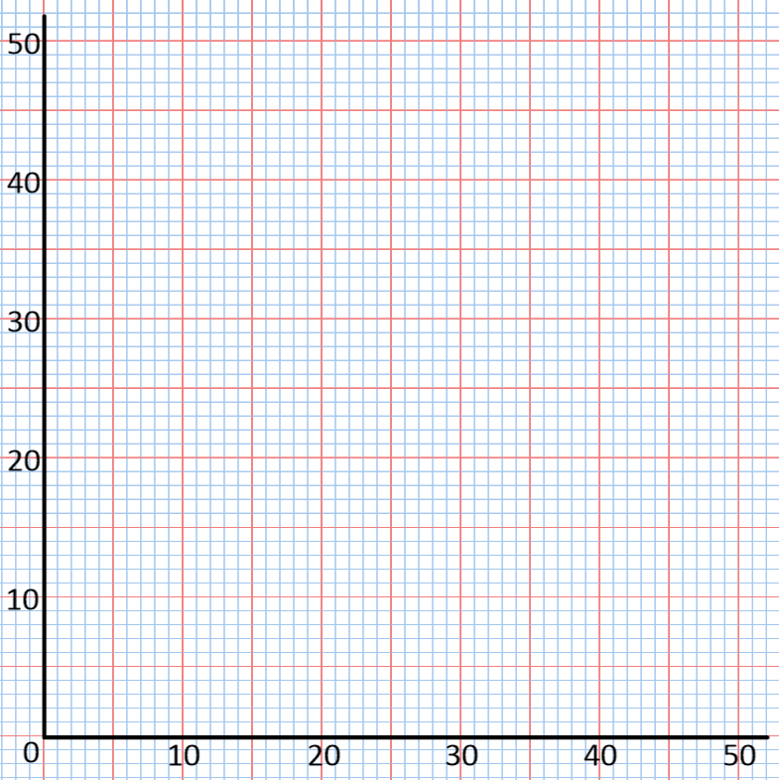
 |  |  |  |  |  |  |  | + |  |  | 3 |  |  | + | 16 | 15
 |  | Name |  |  |  | P1 | P2 |  |  |  |  |  |  |  | 17 | 18
 |  | Adam |  |  |  | 12 | 10 |  |  |  |  |  |  |  | 18 | 15
 |  | Beth |  |  |  | 31 | 31 |  |  |  |  |  |  |  | 19 | 16
 |  | Charlie |  |  |  | 18 | 19 |  |  |  |  |  |  |  | 20 | 18
 |  | Derrie |  |  |  | 25 | 21 |  |  |  |  |  |  |  | 21 | 14
 |  | Euan |  |  |  | 16 | 25 |  |  |  |  |  |  |  | 22 | 12
 |  | Faridah |  |  |  | 16 | 20 |  |  |  |  |  |  |  | 23 | 13
 |  | Glenn |  |  |  | 22 | 26 |  |  |  |  |  |  |  | 24 | 15
 |  | Harriet |  |  |  | 34 | 42 |  |  |  |  |  |  |  | 25 | 10
 |  | Iain |  |  |  | 31 | 31 |  |  |  |  |  |  |  | 26 | 11
 |  | Jenny |  |  |  | 28 | 35 |  |  |  |  |  |  |  | 27 | 8
 |  | Karl |  |  |  | 33 | 30 |  |  |  |  |  |  |  | 28 | 8
 |  | Lorna |  |  |  | 21 | 28 |  |  |  |  |  |  |  | 29 | 8
 |  | Matthew |  |  |  | 11 | 10 |  |  |  |  |  |  |  | 30 | 13
 |  | Nissa |  |  |  | 34 | 32 |  |  |  |  |  |  |  | 31 | 13
 |  | Orlando |  |  |  | 26 | 23 |  |  |  |  |  |  |  | 32 | 8
 |  | Patricia |  |  |  | 40 | 36 |  |  |  |  |  |  |  | 33 | 4
 |  |  |  |  |  |  |  |  |  |  |  |  |  |  | 34 | 5
 |  |  |  |  |  |  |  |  |  |  |  |  |  |  | 35 | 4
 |  | a) |  |  |  |  |  |  | b) | c) | 10 | 42 | 30 |  | 36 | 3
 |  | Plot the data shown in the table on the graph and draw a line of best fit (if appropriate). |  |  |  |  |  |  | Describe a) the correlation and b) the relationship between the variables on your scatter diagram. | Estimate the value of P2 when P1 = 30. |  |  |  |  | 37 | 4
 |  |  |  |  |  |  |  |  |  |  |  |  |  |  | 38 | 4
 |  |  |  |  |  |  |  |  |  |  |  |  |  |  | 39 | 3
 |  |  |  |  |  |  |  |  |  |  |  |  |  |  | 40 | 4

 |  | d) | 10 | 42 | 26 |  |  |  | e) | f)
 |  | Estimate the value of P1 when P2 = 26. |  |  |  |  |  |  | Improve your line of best fit by calculating the mean scores in P1 and P2. How does this affect your answers in parts c) and d)? | Write an equation in the form y = mx + c for your line of best fit.

 |  | Scatter Graphs Answer Key

12 |  | 10
31 |  | 31
18 |  | 19
25 |  | 21
16 |  | 25
16 |  | 20
22 |  | 26
34 |  | 42
31 |  | 31
28 |  | 35
33 |  | 30
21 |  | 28
11 |  | 10
34 |  | 32
26 |  | 23
40 |  | 36
 |  | a)

 |  |  |  |  |  |  |  |  | e) | f)

 |  | b) |  |  |  |  |  |  | c) | d)
 |  | a) Positive correlation. b) As score in P1 increases, the score in P2 increases. |  |  |  |  |  |  | 31 | 25

 |  | e) |  |  |  |  |  |  | f)
 |  | See diagram. |  |  |  |  |  |  | Approximately y = 0.9x + 4.2

Cumulative Frequency
Go Back |  | Cumulative Frequency |  |  |  |  |  |  |  |  |  |  |  |  | 10 | 18
 | + |  |  |  |  |  |  |  |  |  |  |  |  |  | 11 | 19
 | - |  |  |  |  |  |  |  |  |  |  |  |  |  | 12 | 18
 | N |  |  |  |  |  |  |  |  |  |  |  |  |  | 13 | 19
 |  |  |  |  |  |  |  |  |  |  |  |  |  |  | 14 | 18
 |  |  |  |  |  |  |  |  |  |  |  |  |  |  | 15 | 13
 |  |  |  |  |  |  |  |  |  |  | 2 |  |  | - | 16 | 12
 |  | Age (a) |  |  |  | 0 | Frequency | 0 |  |  |  |  |  |  | 17 | 15
 |  | 0 | < | a | ≤ | 10 | 7 | 7 |  |  |  |  |  |  | 18 | 12
 |  | 10 | < | a | ≤ | 15 | 9 | 16 |  |  |  |  |  |  | 19 | 18
 |  | 15 | < | a | ≤ | 30 | 12 | 28 |  |  |  |  |  |  | 20 | 17
Cumulative Frequency
 |  | 30 | < | a | ≤ | 40 | 12 | 40 |  |  |  |  |  |  | 21 | 11
 |  | 40 | < | a | ≤ | 50 | 10 | 50 |  |  |  |  |  |  | 22 | 10
 |  |  |  |  |  |  |  |  |  |  |  |  |  |  | 23 | 11
 |  | The data shows the ages of people registered at a club at the local Leisure Centre. |  |  |  |  |  |  |  |  |  |  |  |  | 24 | 11
 |  |  |  |  |  |  |  |  |  |  |  |  |  |  | 25 | 10
 |  |  |  |  |  |  |  |  |  |  |  |  |  |  | 26 | 10
 |  |  |  |  |  |  |  |  |  |  |  |  |  |  | 27 | 8
 |  |  |  |  |  |  |  |  |  |  |  |  |  |  | 28 | 11
 |  |  |  |  |  |  |  |  |  |  |  |  |  |  | 29 | 11
 |  |  |  |  |  |  |  |  |  |  |  |  |  |  | 30 | 10
 |  |  |  |  |  |  |  |  |  |  |  |  |  |  | 31 | 10
 |  |  |  |  |  |  |  |  |  |  |  |  |  |  | 32 | 6
 |  |  |  |  |  |  |  |  |  |  |  |  |  |  | 33 | 4
Age (years)
 |  |  |  |  |  |  |  |  |  |  |  |  |  |  | 34 | 8
 |  |  |  |  |  |  |  |  |  |  |  |  |  |  | 35 | 3
 |  | a) |  |  |  |  |  |  | b) | c) | 7 | 50 | 20 |  | 36 | 8
 |  | Calculate the cumulative frequencies for the 5 intervals. |  |  |  |  |  |  | Plot the data shown in the table as a cumulative frequency diagram. | Estimate the median age of people in the club. |  |  |  |  | 37 | 0
 |  |  |  |  |  |  |  |  |  |  |  |  |  |  | 38 | 1
 |  |  |  |  |  |  |  |  |  |  |  |  |  |  | 39 | 1
 |  |  |  |  |  |  |  |  |  |  |  |  |  |  | 40 | 0

 |  | d) | 12 | 50 | 32 |  |  |  | e) | f) | 12 | 43
 |  | Estimate the number of children younger than 12 years old who are members of the club. |  |  |  |  |  |  | The oldest 10 people are given a 'Service Award'. How old is the youngest recipient? | Estimate the number of people in the club aged between 12 and 43.

 |  | Cumulative Frequency Answer Key

 |  |  |  |  |  |  |  |  |  |  | Median
0 | 0 | 12 | 0 | 0 | 40 | 12 | 0 | 43 | 0 | 0 | 25
10 | 7 | 12 | 10 | 10 | 40 | 12 | 10 | 43 | 10 | 10 | 25
15 | 16 | 12 | 20 | 20 | 40 | 12 | 20 | 43 | 20 | 20 | 25
30 | 28 | 12 | 30 | 30 | 40 | 12 | 30 | 43 | 30 | 30 | 25
40 | 40 | 12 | 50 | 40 | 40 | 12 | 40 | 43 | 40 | 40 | 25
50 | 50 |  |  | 50 | 40 | 12 | 50 | 43 | 50 | 50 | 25
 |  | b)

 |  |  |  |  |  |  |  |  | e) | f)

 |  | a) |  |  |  |  |  |  | c) | d)
 |  | 7, 16, 28, 40, 50 |  |  |  |  |  |  | See diagram. | See diagram.

 |  | e) |  |  |  |  |  |  | f)
 |  | See diagram. |  |  |  |  |  |  | See diagram.

